1.AS v 1(B)MP
Phase | % 1.AS | Phase | % 1(B)MP | Phase | % 1.AS | % 1(B)MP | Reactions | Conditions | Comments | Reference
Quartz | 37.979824907 | Quartz | 39.144711942 | Quartz | 37.979824907 | 39.144711942 | Qtz+plag+Kfsp+H2O=melt | 640-690*C |  | Stevens and Clements, 1993 - from Lee et al 2023 (Fluid-fluxed partial melting of the Buncheon granitic gneiss in the Yeongnam Massif)
Plagioclase | 22.520953949 | Plagioclase | 33.503219239 | Plagioclase | 22.520953949 | 33.503219239 | Bt+Plag+qtz+fluid=Opx+Kfs+melt | Rock dominated, sufficient mica need to be present |  | Clemens and Droop (1998) - from Clemens et al 2020 (Conditions during the formation of granitic magmas by crustal melting)
Muscovite | 24.14649459 | Muscovite | 19.410191936 | Muscovite | 24.14649459 | 19.410191936 | Qtz+Plag+fluid=melt (Note:this 'wet' solidus rection would also consume a very small amount of bt and/or ms) | Excess H2O, low T | No peritectic minerals as these are congruent melting equilibria. Modelling indicates that partial melting and melt loss would increase relative abundance of bt in the residuum. | Mayne et al., 2019 - denoted 'b' - as within Clemens et al 2020 (Conditions during the formation of granitic magmas by crustal melting)
Biotite | 13.485385482 | Biotite | 7.5796059599 | Biotite | 13.485385482 | 7.5796059599 | Phl+Plag(Ab)+qtz+fluid=En+melt | Higher T, H2O saturated |  | Clemens et al 2020
Epidote | 0.7454469271 | Epidote | 0.15995982723 | Epidote | 0.7454469271 | 0.15995982723 | Ms+Plag+Qtz=Als+Kfs+melt (Ms dehydration melting) | MP, MT | Metapelitic protolith | Weinberg and Hasalova - Thompson, 1983; Pëto, 1976; Spear, 199
Fluorapatite | 0.17077068493 | Fluorapatite | 0.041960890394 | Fluorapatite | 0.17077068493 | 0.041960890394 | Bt+Plag+Qtz=Opx(+Cpx+Grt)+melt | Variable |  | Weinberg and Hasalova - Thompson, 1982; Vielzeuf and Holloway, 1988; Vielzeuf and Montel, 1994; Patiño Douce and Beard, 1995, 1996
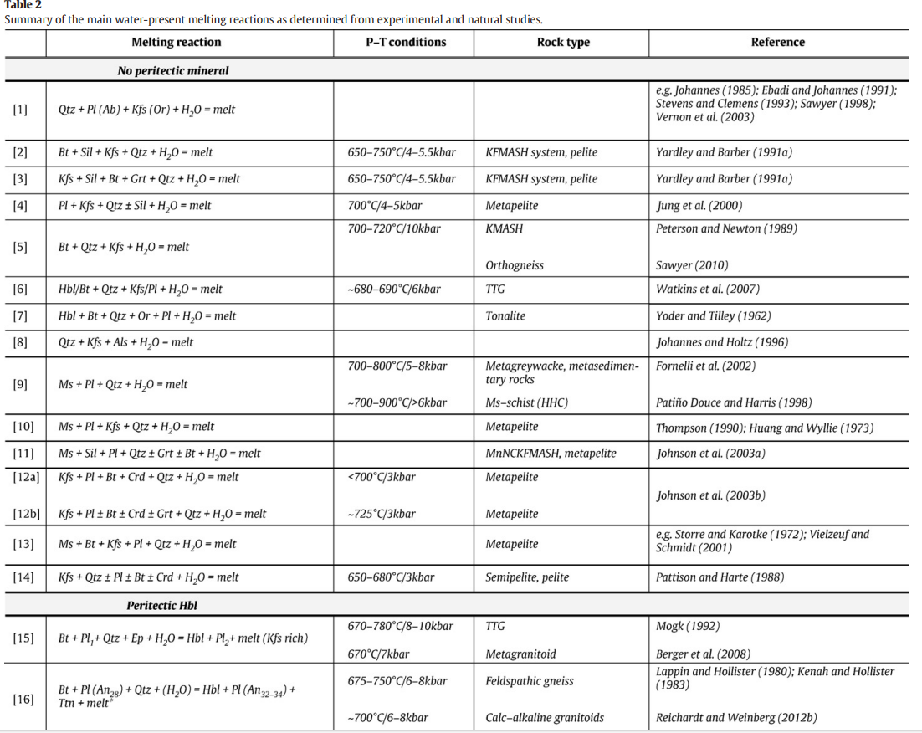
Titanite | 0.44869501546 | Titanite | 0.014086938357 | Titanite | 0.44869501546 | 0.014086938357
Fe-Oxide | 0.18771898809 | Fe-Oxide | 0 | Fe-Oxide | 0.18771898809 | 0
Chlorite | 0.032226136998 | Chlorite | 0.13573733911 | Chlorite | 0.032226136998 | 0.13573733911
Apatite | 0.0039325631542 | Apatite | 0.00059032793383 | Apatite | 0.0039325631542 | 0.00059032793383
Zircon | 0.010266425933 | Zircon | 0.0010616381391 | Zircon | 0.010266425933 | 0.0010616381391
Garnet | 0.25370252561 | Garnet | 0 | Garnet | 0.25370252561 | 0 |  |  |  |  |  |  |  |  |  |  |  |  | jhf
Ilmenite | 0.01458180497 | Ilmenite | 0.0016995731643 | Ilmenite | 0.01458180497 | 0.0016995731643
Total | 100 | Zeolite | 0.00028564254863 | Zeolite | 0 | 0.00028564254863
 |  | Monazite | 0.0064174359259 | Monazite | 0 | 0.0064174359259
 |  | Chloritoid - Ottrelite | 0.00047131020524 | Chloritoid - Ottrelite | 0 | 0.00047131020524 |  |  |  | Reactions that are relevant for me:
 |  | Total: | 100 | Total: | 100.00 | 100 |  |  |  | No.6 | Bt+Qtz+Plag+H2O=melt |  |  |  | 680-690*C/6kbar |  | Weinberg | Watkins et al (2007)
 |  |  |  |  |  |  |  |  |  | No.9 | Ms+Plag+Qtz+H2O=melt |  |  |  | ~700-900*C/>6kbar |  | Weinberg | Fornelli et al(2002) & Patino Douce and Harris (1998)
 |  |  |  |  |  |  |  |  |  | No.11 | Ms+Sil+Plag+Qtz+/-Grt+/-Bt+H2O=melt |  |  |  |  |  | Weinberg | Johnson et al.(2003a)
 |  |  |  |  |  |  |  |  |  | No.39 | Plag+Qtz+Bt+H2O=Ttn+melt |  |  |  |  |  | Weinberg | Sawyer (2010)
 |  |  |  |  |  |  |  |  |  |  | Qtz+Plag+fluid=melt (Note:this 'wet' solidus rection would also consume a very small amount of bt and/or ms) |  |  |  | Excess H2O, low T | No peritectic minerals as these are congruent melting equilibria. Modelling indicates that partial melting and melt loss would increase relative abundance of bt in the residuum. |  | Mayne et al., 2019 - denoted 'b' - as within Clemens et al 2020 (Conditions during the formation of granitic magmas by crustal melting)

 |  |  |  |  |  |  |  |  |  | Melting Reactions to consider: | Conditions | Comments | Reference | Within Reference
 |  |  |  |  |  |  |  |  |  | Bt+Qtz+Plag+H2O=melt | 680-690*C/6kbar |  | Watkins et al (2007) | Weinberg
 |  |  |  |  |  |  |  |  |  | Ms+Plag+Qtz+H2O=melt | ~700-900*C/>6kbar |  | Fornelli et al(2002) & Patino Douce and Harris (1998) | Weinberg
 |  |  |  |  |  |  |  |  |  | Ms+Sil+Plag+Qtz+/-Grt+/-Bt+H2O=melt |  |  | Johnson et al.(2003a) | Weinberg
 |  |  |  |  |  |  |  |  |  | Plag+Qtz+Bt+H2O=Ttn+melt |  |  | Sawyer (2010) | Weinberg
 |  |  |  |  |  |  |  |  |  | Qtz+Plag+fluid=melt | Excess H2O, low T | (Note:this 'wet' solidus rection would also consume a very small amount of bt and/or ms) | Mayne et al., 2019 - denoted 'b' - as within Clemens et al 2020 (Conditions during the formation of granitic magmas by crustal melting) | Clemens et al 2020 (Conditions during the formation of granitic magmas by crustal melting)

