Raw data
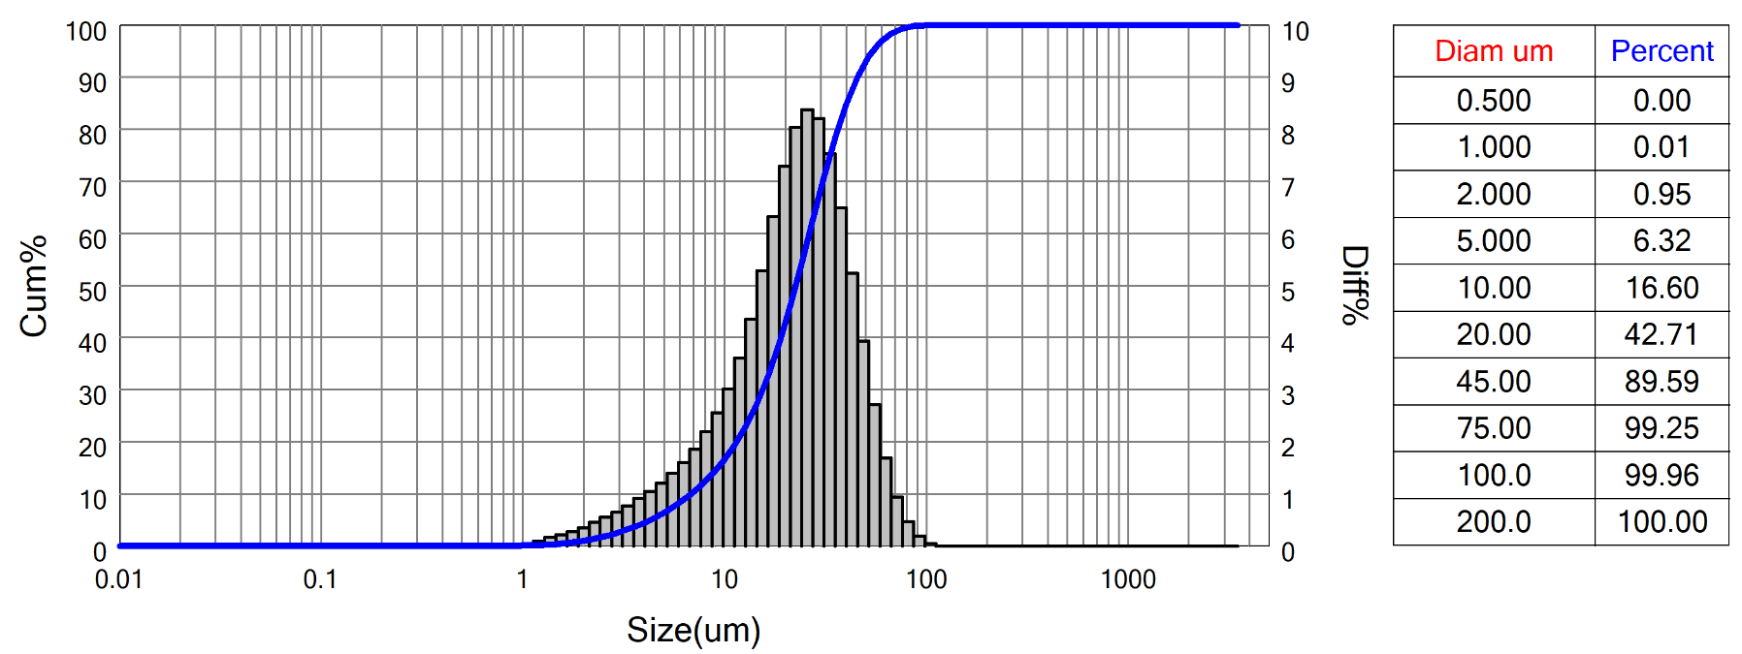
 | Bettersizer S3 Plus Particle Size Analysis Report
 | Range : 0.01um - 3500um
 | Sample Name:HHO_I (smaller 32 um)-1 |  |  |  |  | Sample number: |  |  |  |  | SampleOwner:LMU
 | Operator:UK&AF |  |  |  |  | Test Time:2022-07-19 14:25:19 |  |  |  |  | MeasureDept:bettersize
 | Test Method:Laser |  |  |  |  | Preparation:milled sample sieved at 32 (dry) |  |  |  |  | Medium Name:Water
 | Dispersant:Water |  |  |  |  | Ultrasound:no |  |  |  |  | Stirring:1600 rpm
 | Optical:Mie |  |  |  |  | Analysis Mode:8.0 - Multipeak |  |  |  |  | Distribution:Volume
 | Particle RI:1.5-0.01i |  |  |  |  | Medium RI:1.333 |  |  |  |  | Remark:
 | D[4,3]:24.84um |  |  |  | D[3,2]:13.78um |  |  |  |  | SSA:152.3m^2/kg |  |  |  | Obscuration:7.65%
 | D[2,1]:5.509um |  |  |  | D[1,0]:2.629um |  |  |  |  | Span:1.72 |  |  |  | Residual:1.573%
 | D03 = 3.247um |  |  | D06 = 4.835um |  |  |  | D10 = 6.870um |  |  | D16 = 9.724um |  |  |  | D25 = 13.56um
 | D75 = 33.21um |  |  | D50 = 22.55um |  |  |  | D84 = 39.41um |  |  | D90 = 45.55um |  |  |  | D99 = 72.30um

 | Diam um | Diff% | Cum% |  | Diam um |  | Diff% |  | Cum% | Diam um |  | Diff% | Cum% | Diam um |  | Diff% | Cum%
 | 0.01 | 0.00 | 0 |  | 0.28 |  | 0.00 |  | 0 | 6.72 |  | 1.60 | 9.7 | 163.40 |  | 0.00 | 100
 | 0.01 | 0.00 | 0 |  | 0.31 |  | 0.00 |  | 0 | 7.64 |  | 1.85 | 11.55 | 185.70 |  | 0.00 | 100
 | 0.01 | 0.00 | 0 |  | 0.36 |  | 0.00 |  | 0 | 8.68 |  | 2.19 | 13.74 | 211.00 |  | 0.00 | 100
 | 0.02 | 0.00 | 0 |  | 0.41 |  | 0.00 |  | 0 | 9.86 |  | 2.55 | 16.29 | 239.70 |  | 0.00 | 100
 | 0.02 | 0.00 | 0 |  | 0.46 |  | 0.00 |  | 0 | 11.20 |  | 3.01 | 19.3 | 272.40 |  | 0.00 | 100
 | 0.02 | 0.00 | 0 |  | 0.52 |  | 0.00 |  | 0 | 12.72 |  | 3.61 | 22.91 | 309.50 |  | 0.00 | 100
 | 0.02 | 0.00 | 0 |  | 0.59 |  | 0.00 |  | 0 | 14.45 |  | 4.35 | 27.26 | 351.60 |  | 0.00 | 100
 | 0.03 | 0.00 | 0 |  | 0.68 |  | 0.00 |  | 0 | 16.42 |  | 5.28 | 32.54 | 399.50 |  | 0.00 | 100
 | 0.03 | 0.00 | 0 |  | 0.77 |  | 0.00 |  | 0 | 18.66 |  | 6.32 | 38.86 | 453.90 |  | 0.00 | 100
 | 0.04 | 0.00 | 0 |  | 0.87 |  | 0.00 |  | 0 | 21.20 |  | 7.29 | 46.15 | 515.70 |  | 0.00 | 100
 | 0.04 | 0.00 | 0 |  | 0.99 |  | 0.01 |  | 0.01 | 24.09 |  | 8.04 | 54.19 | 586.00 |  | 0.00 | 100
 | 0.05 | 0.00 | 0 |  | 1.13 |  | 0.04 |  | 0.05 | 27.37 |  | 8.38 | 62.57 | 665.70 |  | 0.00 | 100
 | 0.05 | 0.00 | 0 |  | 1.28 |  | 0.09 |  | 0.14 | 31.10 |  | 8.21 | 70.78 | 756.40 |  | 0.00 | 100
 | 0.06 | 0.00 | 0 |  | 1.45 |  | 0.16 |  | 0.3 | 35.33 |  | 7.53 | 78.31 | 859.40 |  | 0.00 | 100
 | 0.07 | 0.00 | 0 |  | 1.65 |  | 0.21 |  | 0.51 | 40.14 |  | 6.49 | 84.8 | 976.40 |  | 0.00 | 100
 | 0.08 | 0.00 | 0 |  | 1.88 |  | 0.27 |  | 0.78 | 45.61 |  | 5.24 | 90.04 | 1109.00 |  | 0.00 | 100
 | 0.09 | 0.00 | 0 |  | 2.13 |  | 0.35 |  | 1.13 | 51.82 |  | 3.93 | 93.97 | 1260.00 |  | 0.00 | 100
 | 0.10 | 0.00 | 0 |  | 2.42 |  | 0.45 |  | 1.58 | 58.87 |  | 2.71 | 96.68 | 1432.00 |  | 0.00 | 100
 | 0.11 | 0.00 | 0 |  | 2.75 |  | 0.55 |  | 2.13 | 66.89 |  | 1.69 | 98.37 | 1627.00 |  | 0.00 | 100
 | 0.13 | 0.00 | 0 |  | 3.12 |  | 0.65 |  | 2.78 | 76.00 |  | 0.93 | 99.3 | 1848.00 |  | 0.00 | 100
 | 0.15 | 0.00 | 0 |  | 3.55 |  | 0.77 |  | 3.55 | 86.35 |  | 0.47 | 99.77 | 2100.00 |  | 0.00 | 100
 | 0.17 | 0.00 | 0 |  | 4.03 |  | 0.91 |  | 4.46 | 98.11 |  | 0.19 | 99.96 | 2386.00 |  | 0.00 | 100
 | 0.19 | 0.00 | 0 |  | 4.58 |  | 1.05 |  | 5.51 | 111.40 |  | 0.04 | 100 | 2711.00 |  | 0.00 | 100
 | 0.21 | 0.00 | 0 |  | 5.21 |  | 1.20 |  | 6.71 | 126.60 |  | 0.00 | 100 | 3080.00 |  | 0.00 | 100
 | 0.24 | 0.00 | 0 |  | 5.92 |  | 1.39 |  | 8.1 | 143.80 |  | 0.00 | 100 | 3500.00 |  | 0.00 | 100

 | 3P Instruments GmbH & Co. KG www.3P-instruments.com E-Mail: info@3P-instruments.com Tel: +49 8134 9324 0

 | System Status A:0-0-0-0-0-0-0-0-1-1 B:0-0-0-0-100-0 C:0-68-86-1-3 D:0-0-0.9935-0-1 E:86-0-0-3-0 F:0-800-1-0.5 G:1-1-1-2-2 H:1-1.048-1.05-1

