Raw data
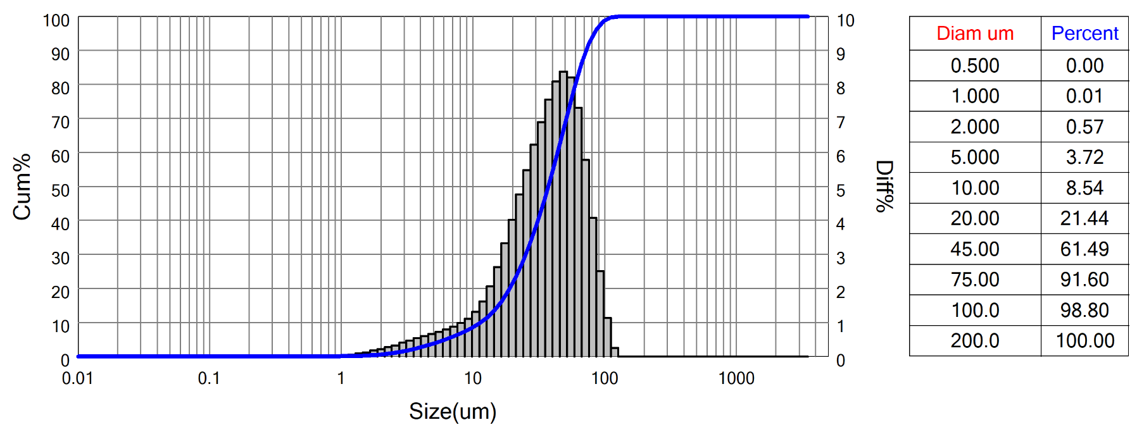
 | Bettersizer S3 Plus Particle Size Analysis Report
 | Range : 0.01um - 3500um
 | Sample Name:HHO_I (smaller 63um)-2 |  |  |  |  | Sample number: |  |  |  |  | SampleOwner:LMU
 | Operator:UK&AF |  |  |  |  | Test Time:2022-07-12 11:59:49 |  |  |  |  | MeasureDept:bettersize
 | Test Method:Laser |  |  |  |  | Preparation:milled sample sieved at 63 (dry) |  |  |  |  | Medium Name:Water
 | Dispersant:Water |  |  |  |  | Ultrasound:no |  |  |  |  | Stirring:1600 rpm
 | Optical:Mie |  |  |  |  | Analysis Mode:8.0 - Multipeak |  |  |  |  | Distribution:Volume
 | Particle RI:1.5-0.01i |  |  |  |  | Medium RI:1.333 |  |  |  |  | Remark:
 | D[4,3]:40.05um |  |  |  | D[3,2]:20.84um |  |  |  |  | SSA:100.7m^2/kg |  |  |  | Obscuration:6.36%
 | D[2,1]:6.268um |  |  |  | D[1,0]:2.583um |  |  |  |  | Span:1.63 |  |  |  | Residual:2.370%
 | D03 = 4.324um |  |  | D06 = 7.295um |  |  |  | D10 = 11.48um |  |  | D16 = 16.40um |  |  |  | D25 = 22.20um
 | D75 = 55.25um |  |  | D50 = 37.37um |  |  |  | D84 = 63.99um |  |  | D90 = 72.30um |  |  |  | D99 = 102.2um

 | Sieve Number | Diam um | Cum% |  | Sieve Number |  | Diam um |  | Cum% | Sieve Number |  | Diam um | Cum% | Sieve Number |  | Diam um | Cum%
 | 1.00 | 2000.00 | 100 |  | 60.00 |  | 250.00 |  | 100 | 450.00 |  | 32.00 | 41.32 | 2500.00 |  | 4.00 | 2.64
 | 2.00 | 1400.00 | 100 |  | 80.00 |  | 180.00 |  | 100 | 600.00 |  | 22.50 | 25.48 | 5000.00 |  | 2.70 | 1.22
 | 3.00 | 1000.00 | 100 |  | 120.00 |  | 125.00 |  | 99.98 | 800.00 |  | 16.00 | 15.44 | 8000.00 |  | 2.00 | 0.57
 | 25.00 | 710.00 | 100 |  | 170.00 |  | 90.00 |  | 96.96 | 1250.00 |  | 11.00 | 9.52 | 10000.00 |  | 1.30 | 0.1
 | 35.00 | 500.00 | 100 |  | 230.00 |  | 63.00 |  | 83.02 | 1670.00 |  | 8.00 | 6.66 | 12000.00 |  | 1.00 | 0.01
 | 45.00 | 355.00 | 100 |  | 325.00 |  | 45.00 |  | 61.49 | 2000.00 |  | 5.50 | 4.24 | 0.00 |  | 0.00 | 0

 | 3P Instruments GmbH & Co. KG www.3P-instruments.com E-Mail: info@3P-instruments.com Tel: +49 8134 9324 0

 | System Status A:0-0-0-0-0-0-0-0-1-1 B:0-0-0-0-100-0 C:0-68-86-1-3 D:0-0-0.9935-0-1 E:86-0-0-3-0 F:0-800-1-0.5 G:1-1-1-2-2 H:1-1.048-1.05-1

