Raw data
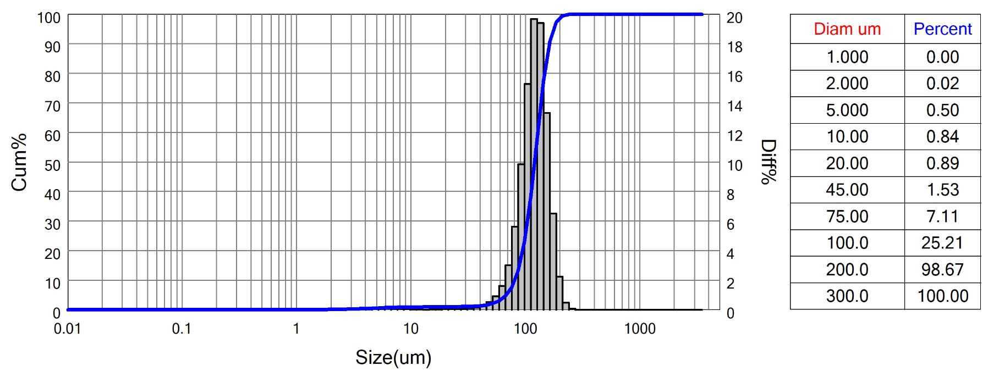
 | Bettersizer S3 Plus Particle Size Analysis Report
 | Range : 0.01um - 3500um
 | Sample Name:HHO_I larger 90um)-1 |  |  |  |  | Sample number: |  |  |  |  | SampleOwner:LMU
 | Operator:UK&AF |  |  |  |  | Test Time:2022-07-19 14:18:34 |  |  |  |  | MeasureDept:bettersize
 | Test Method:Laser |  |  |  |  | Preparation:milled sample sieved at 90 (dry) |  |  |  |  | Medium Name:Water
 | Dispersant:Water |  |  |  |  | Ultrasound:no |  |  |  |  | Stirring:1600 rpm
 | Optical:Mie |  |  |  |  | Analysis Mode:8.0 - Multipeak |  |  |  |  | Distribution:Volume
 | Particle RI:1.5-0.01i |  |  |  |  | Medium RI:1.333 |  |  |  |  | Remark:
 | D[4,3]:120.6um |  |  |  | D[3,2]:91.49um |  |  |  |  | SSA:22.96m^2/kg |  |  |  | Obscuration:6.07%
 | D[2,1]:15.86um |  |  |  | D[1,0]:3.440um |  |  |  |  | Span:0.68 |  |  |  | Residual:3.856%
 | D03 = 58.94um |  |  | D06 = 71.80um |  |  |  | D10 = 80.89um |  |  | D16 = 89.85um |  |  |  | D25 = 99.81um
 | D75 = 141.6um |  |  | D50 = 120.3um |  |  |  | D84 = 153.4um |  |  | D90 = 162.3um |  |  |  | D99 = 204.5um

 | Diam um | Diff% | Cum% |  | Diam um |  | Diff% |  | Cum% | Diam um |  | Diff% | Cum% | Diam um |  | Diff% | Cum%
 | 0.01 | 0.00 | 0 |  | 0.28 |  | 0.00 |  | 0 | 6.72 |  | 0.08 | 0.69 | 163.40 |  | 13.31 | 90.74
 | 0.01 | 0.00 | 0 |  | 0.31 |  | 0.00 |  | 0 | 7.64 |  | 0.06 | 0.75 | 185.70 |  | 6.50 | 97.24
 | 0.01 | 0.00 | 0 |  | 0.36 |  | 0.00 |  | 0 | 8.68 |  | 0.05 | 0.8 | 211.00 |  | 2.23 | 99.47
 | 0.02 | 0.00 | 0 |  | 0.41 |  | 0.00 |  | 0 | 9.86 |  | 0.03 | 0.83 | 239.70 |  | 0.48 | 99.95
 | 0.02 | 0.00 | 0 |  | 0.46 |  | 0.00 |  | 0 | 11.20 |  | 0.01 | 0.84 | 272.40 |  | 0.05 | 100
 | 0.02 | 0.00 | 0 |  | 0.52 |  | 0.00 |  | 0 | 12.72 |  | 0.01 | 0.85 | 309.50 |  | 0.00 | 100
 | 0.02 | 0.00 | 0 |  | 0.59 |  | 0.00 |  | 0 | 14.45 |  | 0.00 | 0.85 | 351.60 |  | 0.00 | 100
 | 0.03 | 0.00 | 0 |  | 0.68 |  | 0.00 |  | 0 | 16.42 |  | 0.01 | 0.86 | 399.50 |  | 0.00 | 100
 | 0.03 | 0.00 | 0 |  | 0.77 |  | 0.00 |  | 0 | 18.66 |  | 0.01 | 0.87 | 453.90 |  | 0.00 | 100
 | 0.04 | 0.00 | 0 |  | 0.87 |  | 0.00 |  | 0 | 21.20 |  | 0.03 | 0.9 | 515.70 |  | 0.00 | 100
 | 0.04 | 0.00 | 0 |  | 0.99 |  | 0.00 |  | 0 | 24.09 |  | 0.05 | 0.95 | 586.00 |  | 0.00 | 100
 | 0.05 | 0.00 | 0 |  | 1.13 |  | 0.00 |  | 0 | 27.37 |  | 0.05 | 1 | 665.70 |  | 0.00 | 100
 | 0.05 | 0.00 | 0 |  | 1.28 |  | 0.00 |  | 0 | 31.10 |  | 0.06 | 1.06 | 756.40 |  | 0.00 | 100
 | 0.06 | 0.00 | 0 |  | 1.45 |  | 0.00 |  | 0 | 35.33 |  | 0.09 | 1.15 | 859.40 |  | 0.00 | 100
 | 0.07 | 0.00 | 0 |  | 1.65 |  | 0.00 |  | 0 | 40.14 |  | 0.14 | 1.29 | 976.40 |  | 0.00 | 100
 | 0.08 | 0.00 | 0 |  | 1.88 |  | 0.01 |  | 0.01 | 45.61 |  | 0.28 | 1.57 | 1109.00 |  | 0.00 | 100
 | 0.09 | 0.00 | 0 |  | 2.13 |  | 0.02 |  | 0.03 | 51.82 |  | 0.52 | 2.09 | 1260.00 |  | 0.00 | 100
 | 0.10 | 0.00 | 0 |  | 2.42 |  | 0.04 |  | 0.07 | 58.87 |  | 0.90 | 2.99 | 1432.00 |  | 0.00 | 100
 | 0.11 | 0.00 | 0 |  | 2.75 |  | 0.06 |  | 0.13 | 66.89 |  | 1.61 | 4.6 | 1627.00 |  | 0.00 | 100
 | 0.13 | 0.00 | 0 |  | 3.12 |  | 0.06 |  | 0.19 | 76.00 |  | 3.00 | 7.6 | 1848.00 |  | 0.00 | 100
 | 0.15 | 0.00 | 0 |  | 3.55 |  | 0.07 |  | 0.26 | 86.35 |  | 5.62 | 13.22 | 2100.00 |  | 0.00 | 100
 | 0.17 | 0.00 | 0 |  | 4.03 |  | 0.09 |  | 0.35 | 98.11 |  | 9.85 | 23.07 | 2386.00 |  | 0.00 | 100
 | 0.19 | 0.00 | 0 |  | 4.58 |  | 0.09 |  | 0.44 | 111.40 |  | 15.28 | 38.35 | 2711.00 |  | 0.00 | 100
 | 0.21 | 0.00 | 0 |  | 5.21 |  | 0.08 |  | 0.52 | 126.60 |  | 19.68 | 58.03 | 3080.00 |  | 0.00 | 100
 | 0.24 | 0.00 | 0 |  | 5.92 |  | 0.09 |  | 0.61 | 143.80 |  | 19.40 | 77.43 | 3500.00 |  | 0.00 | 100

 | 3P Instruments GmbH & Co. KG www.3P-instruments.com E-Mail: info@3P-instruments.com Tel: +49 8134 9324 0

 | System Status A:0-0-0-0-0-0-0-0-1-1 B:0-0-0-0-100-0 C:0-68-86-1-3 D:0-0-0.9935-0-1 E:86-0-0-3-0 F:0-800-1-0.5 G:1-1-1-2-2 H:1-1.048-1.05-1

